Sheet1
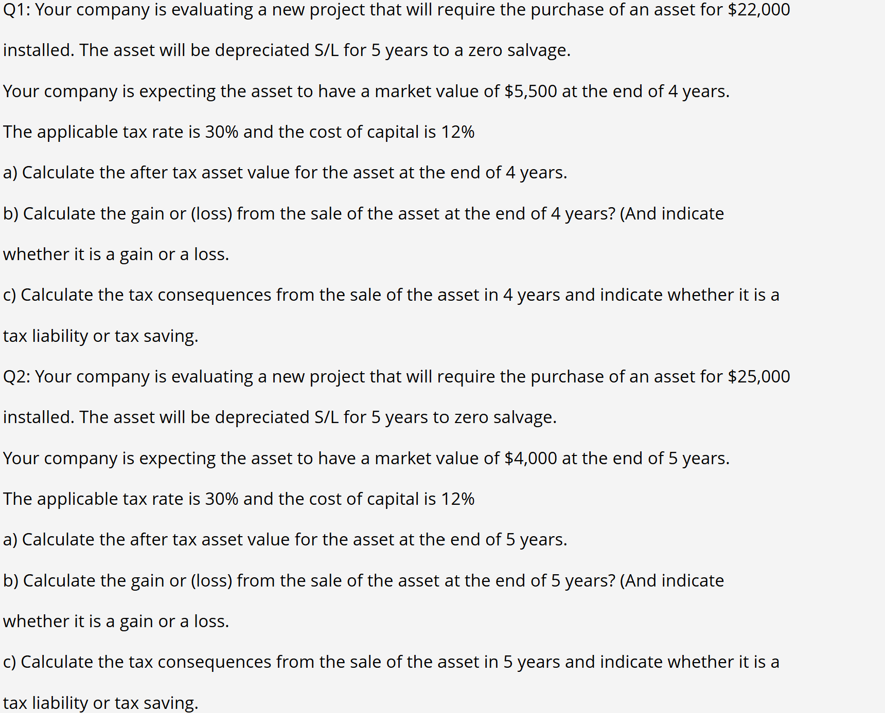
Q1 | Cost | 22000 |  | Market Value) | 5500 | Salvage | 0
 | S/L | 5 |  | Tax rate | 30% | Cost of Cap | 12%
a) | Annual depreciation |  | Book Value |  | After Tax SV
 | 4400 |  | 4400 |  | 5170

b) | Gain
 | 1100

c) | Tax = liability
 | 330

Q2 | Cost | 25000 |  | Market Value | 4000 | Salvage | 0
 | Life | 5 |  | Tax Rate | 30%

a) | Annual Depreciation |  | Book Value |  | After Tax SV
 | 5000 |  | 0 |  | 2800

b) | Gain
 | 4000

c) | Tax = liability
 | 1200

